Forklifts
 |  | CONDITION OF FORKLIFTS |  |  | Page 1 of 1 | Instructions
 |  |  |  | Version 2 | 01/01/2026
 |  |  |  |  |  | 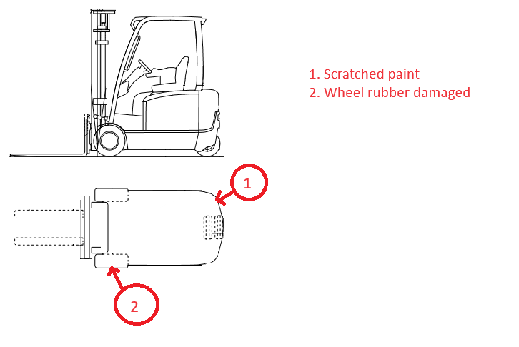 Chief Officer or Master can sign this certificate. This is the assessment of forklift before the Dockers handle them. If damages are noticed at the end of the cargo operations or during the cargo operation, issu a letter of protest accordingly. Forklift number and location: "Aft hold" or "Fwd hold" and number 1 to 4 or serial numbers if identification is not clearly done. Fill as follows:
To: |  |  | Vessel:
 |  |  | Voyage No:
 |  |  | Port:
 |  |  | Berth:
 |  |  | Chrtr Ref. Nbr: | C/P
 | To whom it may concern

Forklift number and location

List of damages before cargo operations

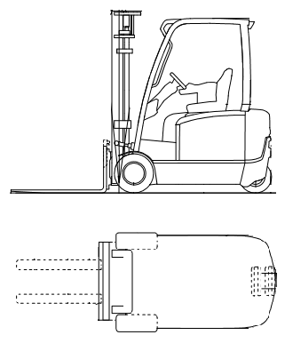

 | Dockers' Foreman |  |  | Master/Chief Officer

